Visualization Board


Tool to assess Scope 3, Category 7 teleworking greenhouse gas (GHG) emissions.
"This tool was created using dummy data generated by Qualtrics and information provided within the internal Cisco Team. A sample of 997 surveys was issued to validate this model."

 |  |  |  |  |  |  | Global Teleworking Greenhouse Gas (GhG) Emissions. |  | 159,217,634.80 | KgCO2e

 |  |  |  |  |  | Emissions |  |  | Total Emissions (KgCO2e) | Global Proportion
 |  |  | Country | Total Employees | Surveys | Devices (KgCO2e) | Heating (KgCO2e) | Cooling (KgCO2e) | 13,437.78 | 0.01%
 |  |  | Canada | 2,478 | 8 | 12,419.15 | 293.40 | 725.23

 | Devices Emission / Annual Total Power Usage (Kw)
 | Monitor | Laptop Mac | Laptop Lenovo | Desktop | Mouse | Keyboard | Printer | Internet router | LED Lights | Fluorescent Lights | Incandescent Lights
 | 44,599.87 | 34,247.21 | 38,429.13 | 120,916.48 | 3,177.87 | 1,244.45 | 13,274.11 | 6,316.65 | 5,046.45 | 1,206,307.81 | 6,802.98

 | Energy Type |  | Renewable Energy | 5

 |  |  | Non-Renewable Energy | 3

 | Global Comparision

 |  |  |  |  |  |  |  |  |  |  |  | Version 1.2 21/11

Boundaries & Assumptions
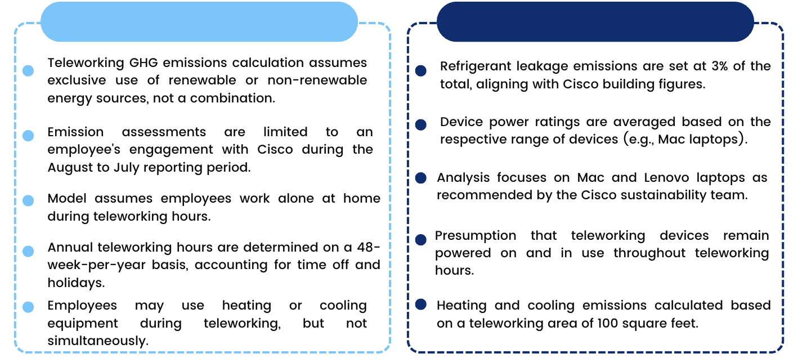
BOUNDARIES AND ASSUMPTIONS

